Sheet9
Charges by Weight & Diabetes
Sum of charges | Column Labels
Row Labels | Diabetes | Normal | Prediabetes | Grand Total
Normal weight | 1726354.48 | 1674180.51 | 841586.97 | 4242121.96
Obesity | 8368678.54 | 8546532.07 | 3608462.31 | 20523672.92
Overweight | 2156107.6 | 2451926.62 | 1004249.63 | 5612283.85
Underweight | 490046.85 | 566702.46 | 157530.57 | 1214279.88
Grand Total | 12741187.47 | 13239341.66 | 5611829.48 | 31592358.61

Weight status | Diabetes | Normal | Prediabetes
Normal weight | 1726354.48 | 1674180.51 | 841586.97
Obesity | 8368678.54 | 8546532.07 | 3608462.31
Overweight | 2156107.6 | 2451926.62 | 1004249.63
Underweight | 490046.85 | 566702.46 | 157530.57

Sheet4
Row Labels | Sum of Number of major surgeries | Average of HBA1C
No | 783 | 6.5604755145
Yes | 796 | 6.6071814255
Grand Total | 1579 | 6.5789978587

Transplant History | Sum of major surgeries
No | 783
Yes | 796

Transplant History | Average of HBA1C
No | 6.5604755145
Yes | 6.6071814255

Sheet1
Healthcare Charges by Weight and Diabetes Status
Average of charges | Column Labels
Row Labels | Diabetes | Grand Total
Normal weight | 12509.815072 | 12509.815072
Obesity | 19063.049066 | 19063.049066
Overweight | 13910.371613 | 13910.371613
Underweight | 7424.9522727 | 7424.9522727
Grand Total | 15966.400338 | 15966.400338

 | Diabetes | Normal | Prediabetes
Normal weight | 12509.815072 | 7897.0778774 | 10389.962593
Obesity | 19063.049066 | 15126.605434 | 15486.962704
Overweight | 13910.371613 | 10389.519576 | 10042.4963
Underweight | 7424.9522727 | 6911.0056098 | 5626.0917857

Dashboard
Healthcare Insights Dashboard

 | Sum of major surgeries
No | 783
Yes | 796
 | Average of HBA1C
No | 6.5604755145
Yes | 6.6071814255

Charges by Weight & Diabetes
 | Diabetes | Normal | Prediabetes
Normal weight | 1726354.48 | 1674180.51 | 841586.97
Obesity | 8368678.54 | 8546532.07 | 3608462.31
Overweight | 2156107.6 | 2451926.62 | 1004249.63
Underweight | 490046.85 | 566702.46 | 157530.57

Cancer History by Smoking Status
Non-smoker-No cancer | 1540
Non-smoker-cancer | 307
Smoker-No cancer | 404
smoker-cancer | 84
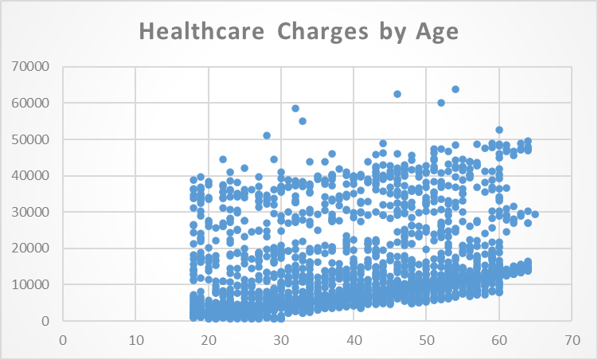

Average Charges by Hospital Tier and State
 | Tier-1 | Tier-2 | Tier-3
R1011 | 33081.373793 | 18997.280692 | 9250.3617857
R1012 | 26111.457937 | 10334.279322 | 10179.941965
R1013 | 31328.102239 | 8439.2844 | 6890.7568235
R1014 | 13891.86 | 2395.17 | 16950.485
R1015 | 21523.52 | 15675.543333 | 7570.755
R1016 | 39868.61625 | 16075.963333 | 8133.0084091
R1017 | 34070.595714 | 11365.621875 | 8667.3661538
R1018 | 33475.82 | 10139.553333 | 12570.97
R1019 | 27621.61 | 8116.72 | 12706.976
R1020 |  | 6760.5433333 | 11716.453333
R1021 |  | 7668.1787234 | 11518.785652
R1022 |  | 10102.026667 | 11637.812
R1023 | 18261.7575 | 13457.094583 | 12785.637
R1024 | 32732.187143 | 10174.346 | 13360.978889
R1025 |  | 6886.0368421 | 10510.31381
R1026 | 18709.798 | 11919.607857 | 12296.77973
Unknown | 20996.53
BMI and HbA1C Trends by Age
 | BMI | HBA1C
54 | 47.41 | 7.47
46 | 30.36 | 5.77
52 | 34.485 | 11.87
32 | 38.095 | 6.05
33 | 35.53 | 5.45
60 | 32.8 | 6.59
28 | 36.4 | 6.07
64 | 36.96 | 7.93
59 | 41.14 | 9.58
44 | 38.06 | 10.79
63 | 37.7 | 5.96
57 | 42.13 | 11.9
60 | 40.92 | 8.41
54 | 40.565 | 7.02
61 | 36.385 | 7.59
60 | 39.9 | 11.32
64 | 33.8 | 7.67
59 | 36.765 | 7.29
58 | 36.955 | 4.72
51 | 42.9 | 11.41
61 | 36.3 | 11.5
63 | 32.2 | 6.22
64 | 31.3 | 11.38
52 | 41.8 | 7.89
63 | 35.09 | 4.38
64 | 33.88 | 7.01
62 | 30.875 | 11.88
53 | 36.86 | 5.19
61 | 35.86 | 6.74
51 | 37.05 | 8.44
44 | 43.89 | 8.71
46 | 42.35 | 5.08
60 | 31.35 | 6.86
37 | 47.6 | 5.95
43 | 46.2 | 6.09
62 | 32.015 | 11.75
48 | 40.565 | 7.37
60 | 32.45 | 11.91
51 | 34.96 | 6.52
29 | 35.5 | 5.14
22 | 52.58 | 4.19
55 | 35.2 | 11.68
51 | 38.06 | 6.98
54 | 34.21 | 8.34
48 | 38.94 | 8.49
34 | 30.21 | 5.34
56 | 33.63 | 4.43
42 | 40.37 | 4.47
56 | 53.09 | 4.82
56 | 31.79 | 5.51
...

